Computer Science Fundamentals
Computer Science Fundamentals

1
store information digitally |  |  | internt | Algorithms
* When we look at a computer, we see text and images and shapes. To a computer, all of that is just binary data, 1s and 0s |  |  | * Internet is a global network of devices,communicating with each other | * Big O notation describes how the time or space requirements of an algorithm grow as the input size grows

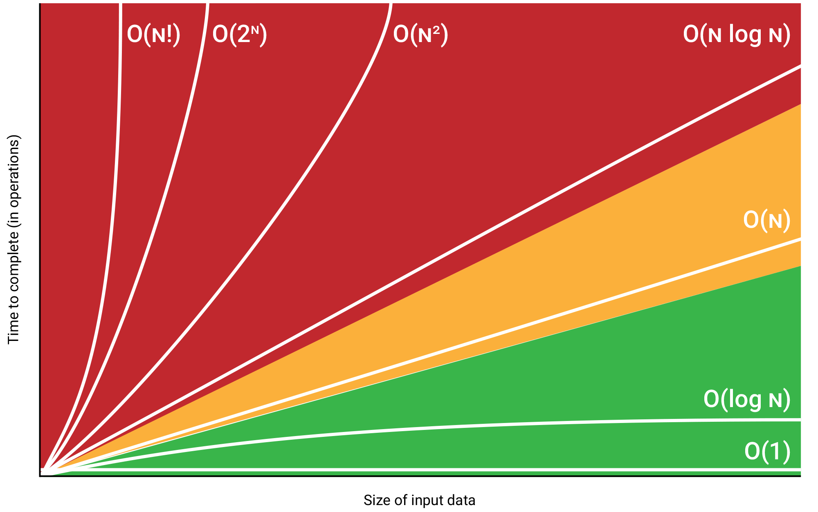
 |  |  | * IP: A protocol that uniquely identify devices
* bit stores either the value 1 or 0.byte is a unit of digital information that consists of those bits
 |  |  | * TCP/UDP: Protocols that can transport packets of data from one device to another and check for errors along the way. UDP=fast,TCP=reliable

text encoding
* ASCII Encoding:Uses 7 bits to represent 128 characters, including English letters, digits, punctuation marks, and control characters. |  |  |  | sorting algorithms
 |  |  |  | Bubble Sort (O(n^2)):Repeatedly swaps element if it is bigger than right element.[31,29,8,36]=>[29,31,8,36]=>[29,8,31,36]
 |  |  | * TLS: A secure protocol for sending encrypted data so attackers can't view private information.
* Unicode:provide a unique number for every character, regardless of language, Includes several encoding forms like UTF-8, UTF-16,... .characters have different bytes.
 |  |  |  | 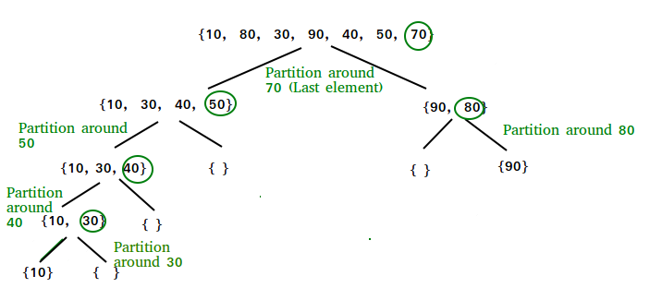 Quick Sort worse=O(n^2)/avg=O(n log(n)):The key process in quickSort is a partition() . The target of partitions is to place the pivot (any element can be chosen to be a pivot) at its correct position in the sorted array and put all smaller elements to the left of the pivot, and all greater elements to the right of the pivot.

 |  |  | * DNS (Domain Name System) is like the internet's phone book, translating website names (like www.example.com) into IP addresses (like 192.168.1.1).

compression
* Lossless reduce the size of files without losing any information in the file.(Huffman coding) * Lossy reduce the size of files by discarding the less important information in a file
 |  |  | * Whenever you visit a page on the web, your computer uses the Hypertext Transfer Protocol (HTTP) to download that page from another computer somewhere on the Internet.

Computer Science Fundamentals

2
 |  |  | Algorithms
sorting algorithms |  |  | search algorithms
Insertion Sort (O(n^2)):is like sorting playing cards .You split the cards into two groups: the sorted cards and the unsorted cards. Then, you pick a card from the unsorted group and put it in the right place in the sorted group. |  |  | Linear Search Best: O(1) Average/Worst: O(n) Description: Checks each element in the list until the target is found.

 |  |  | Binary Search Best/Average/Worst: O(log n) Repeatedly divides the sorted list in half,compare with middle if smaller search in left side if it is bigger search in right side to find the target.

Merge Sort (O(n log n)):Divides the array into halves, sorts them, and then merges them back together.

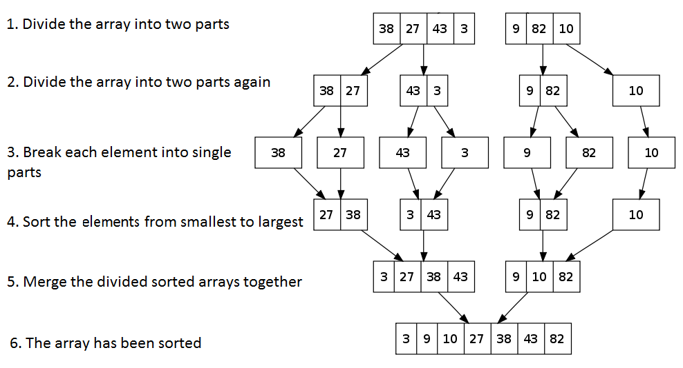

selection Sort (O(n^2)):repeatedly selects the smallest element from the unsorted portion of the list and swaps it with the first element of the unsorted part

 | Worst-case Time Complexity | Average-case Time Complexity
Bubble Sort | O(n^2) | O(n^2)
Selection Sort | O(n^2) | O(n^2)
Insertion Sort | O(n^2) | O(n^2)
Quick Sort | O(n^2) | O(nlog(n))
Merge Sort | O(nlog(n)) | O(nlog(n))
Timsort (python) | O(nlog(n)) | O(nlog(n))
Timsort: Python's built-in sort functions

Computer Science Fundamentals

3
Data Structures
Arrays:is a collection of elements stored at contiguous memory locations, providing fast indexed access but having a fixed size and less efficient insertions and deletions |  |  | Average : Insertion: O(1)/Search: O(1)/Deletion: O(1) Worst :O(n) when many collisions occur or when using a poor hash function. | binary tree: each node has at most two children

 |  |  |  | binary search tree (BST): is a special type of binary tree , For each node, the values of all the nodes in the left subtree are less than the node's value. and The values of all the nodes in the right subtree are greater.

 |  |  | stack: the last element added to the stack will be the first one to be removed. (LIFO) use cases: FunctionCalling / Undo(ctrl+z) from collections import deque # Initialize a stack stack = deque() # Push operation stack.append(10) # Pop operation stack.pop()
Linked Lists: collection of elements where each element points to the next, allowing for dynamic resizing and efficient insertions and deletions but requiring sequential access and more memory overhead due to pointers.

 |  |  |  | insert= O(log(n)) search =O(log(n)) Deletion=O(log(n)) Node is a leaf node: Simply remove the node. Node has one child: Replace the node with its child. Node has two children: Find the smallest value in the right subtree and replace with it.

 | array | linked list
index | O(1) | O(n)
insert/del at start | O(n) | O(1)
 |  |  | queue: The first element added to the queue will be the first one to be removed (FIFO). use cases: Order processing from collections import deque # Initialize a stack stack = deque() # Push operation stack.appendleft(10) # Pop operation stack.pop()
insert/del at end | O(1) if we have capacity | O(n)

insert/del at middele | O(n) | O(n)

Hash Table: A data structure that maps keys to values using a hash function. Hash Function: Converts a key into an index in the hash table. price["March"]=220 convert March to index with has function. Collision: Occurs when two keys hash to the same index.

 |  |  | for queue and stack push/pop = O(1) search =O(n)

Collision Resolution Techniques: Chaining: Each bucket of the hash table contains a linked list to store all elements that hash to the same index. Linear Probing: Sequentially checks the next slots for an empty slot.
 |  |  | genral tree: is a hierarchical data structure where each node can have number of children nodes from anytree import Node root = Node("Root") child1 = Node("Child 1",parent=root)

Basic Data Preprocessing
Basic Data Preprocessing

1
working with data frame in pandas,numpy | # select all the rows where gender equals Male and OnlineSecurity equals Yes
# read from csv | df_sub = df[(df[“gender”] == “Male”) & (df[“OnlineSecurity”] == “Yes”)]
df = pd.read_csv(“./customers.csv”, sep=“;”) | # group by gender and calculate mean of monthlycharegs for them
# inspect first 3 rows of dataframe | df.groupby(“gender”)[“MonthlyCharges”].mean()
df.head(3) | # group by gender and apply function
# inspect the shape of the dataframe | agg_dict = {“tenure”:[np.mean, np.sum], “MonthlyCharges”:[np.min, np.max]}
df.shape | df.groupby(“gender”).agg(agg_dict)
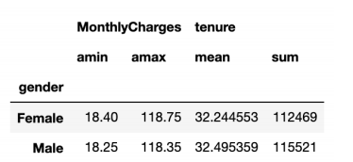
# inspect column names
df.columns
# inspect the column data types
df.dtypes
# get summary of variable
df[“MonthlyCharges”].describe()
# get summary statistics of all numeric variables
df.describe()
# get the mean of the MonthlyCharges variable | # merge two dataframe
df[“MonthlyCharges”].mean() | pd.merge(left=df_1, right=df_2, on=key, how=“outer”/“inner”/“left” / ”right”)
# get the unique categories of the InternetService variable | # Drop every duplicate row,The subset parameter allows you to drop duplicates based on a subset of columns instead of all columns
df[“InternetService”].unique()
# check if the InternetService variable only contains unique values | df.drop_duplicates(subset=[columns])
df[“InternetService”].is_unique() | # Drop one or multiple columns from a DataFrame
# convert to numeric | df.drop(columns=[columns])
pd.to_numeric(df_1[“Postal_Code”]) | # Define a function that will be applied on the specified column of each row and call it in theapply() function:
# convert to date format
pd.to_datetime(df_2[“dates”], format=“%d/%m/%Y”) | def replace_negative_values(column_obs): if column_obs < 0: return(0) else: return(column_obs)
# sort based on Scores from big to small
df_1.sort_values(by=“Scores”, ascending=False)
# select row 2 and column 3
df_sub = df.iloc[1, 2] | df_1[“Spending”].apply(replace_negative_values)
# select rows 2, 5, 6 and column 4, 5 | # Use the lambda expression in the apply() function
df_sub = df.iloc[[1, 4, 5], [3, 4]] | df_1[“Spending”].apply(lambda x: 0 if x < 0 else x)
# select rows 10 until 30 and column 3 until 5 | # add one row to end of dataframe
df_sub = df.iloc[10:30, 3:5] | df.loc[len(df.index)] = ['Amy', 89, 93]
# select the gender and tenure columns | # Rename a single column
df_sub = df[[“gender”, “tenure”]] | df.rename(columns={'old_name': 'new_name'}, inplace=True)
# select all the rows where gender equals Male | is used to vectorize conditions across arrays or DataFrames.
df_sub = df[df[“gender”] == “Male”] | np.where(condition, value_if_true, value_if_false)
# select all the rows where tenure equals 1, 2 or 3 | df['gender'] = np.where(df['gender'] == False, 0, 1)
df_sub = df[df[“tenure”].isin([1, 2, 3])] | # list of all the names of the numeric features
 | df._get_numeric_data().columns

Basic Data Preprocessing

2
EDA: STATISTICAL DATA EXPLORATION | # measures the relative proportion of each category of a categorical variable
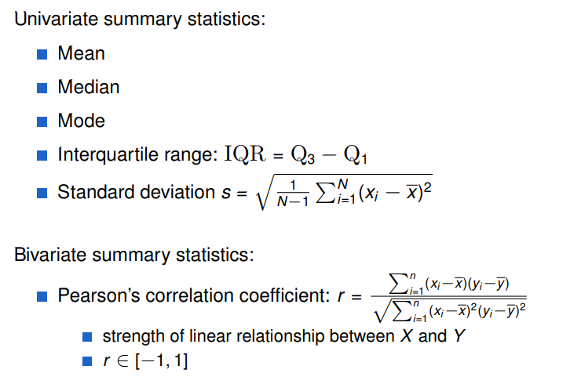
 | df[“Partner”].value_counts(normalize=True)
 | # calculate the correlation matrix for all numeric variables
 | df[“Partner”].mode()
 | # crosstab is a table that is used to aggregate and jointly display the distribution of two or more categorical variables

 | pd.crosstab(df[“gender”], df[“Partner”])

# calculate the median of tenure
np.median(df[“tenure”])
# calculate the first quartile such that 25% of the observations are lower than the first quartile

np.percentile(df[“tenure”], q=25)
# calculate the minimum of MonthlyCharges
np.min(df[“MonthlyCharges”])
# calculate the range of MonthlyCharges( difference between the maximum and minimum)

np.ptp(df[“MonthlyCharges”])
# calculate the covariance between this two
np.cov([df[“MonthlyCharges”], df[“tenure”]])
# calculate the covariance matrix for all numeric variables
df.cov(numeric_only=True)

# calculate the correlation between this two (standardizes the covariance)

np.corrcoef([df[“SeniorCitizen”], df[“tenure”]])
# calculate the correlation matrix for all numeric variables
df.corr(numeric_only=True)
# measures how much each category occurred in a categorical variable

df[“Partner”].value_counts()

Basic Data Preprocessing

3
Data cleaning | # Min and max values
1.missing value | min_value = df[“InternetService”].min()
# check if the InternetService variable have any null | max_value = df["InternetService"].max()
df[“InternetService”].isnull() | # Z-scores calculation
# see how many null this variable has | mean_value = df["InternetService"].mean() std_dev = df["InternetService"].std() df['z_score'] = (df["InternetService"] - mean_value) / std_dev
df[“InternetService”].isnull().sum()
# Drop every row with one or more NaNs
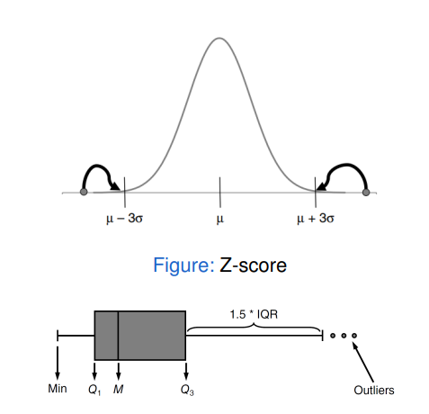
df_1.dropna()
# Drop every row with NaNs for every column | # Plotting Histograms
df_1.dropna(how=“all”) | df["InternetService"].hist(bins=20)
# Drop rows where the 'InternetService' column has NaN values | # Plotting Boxplots
df.dropna(subset=[“InternetService”], inplace=True) | df.boxplot(column=["InternetService"])
# Impute missing data with user-defined values
column_imputations = {“Name”: “UNKNOWN”,“Spend”: 0}
df_1.fillna(value=column_imputations) | 2,1: Detecting multivariate outliers:
it is good to add flag to indicate imputation for one row | from sklearn.ensemble import IsolationForest # Fit Isolation Forest model clf = IsolationForest(contamination=0.1) # contamination is the proportion of outliers clf.fit(X) # Predict outliers outliers = clf.predict(X) # -1 indicates outlier, 1 indicates normal print(outliers)
Impute with constant from training set → avoid data leakage


2.outlier | Only apply this to the training set
 | Handling: Invalid observations: treat outlier as missing value Valid observations: truncation → impose lower and upper limit on values (+ indicator), based on ... Z-score: |zi |= 3 Expert opinion

 | Nonparametric models (e.g. DT, NN, SVM) often insensitive to outliers Parametric models (e.g. LinR, LogR) often sensitive to outliers. (Nonparametric models are a type of statistical model that do not assume a specific form for the underlying data distribution.)

2,1: Detecting univariate outliers:
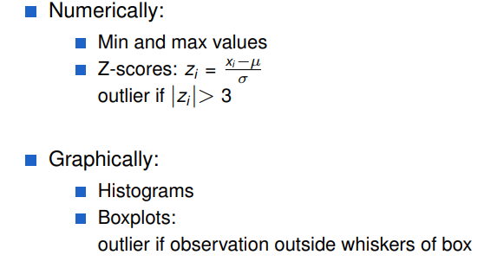
 | 3.STRING MANIPULATION
 | # Apply the replacement using regex on the 'PhoneNumber' column
 | df['PhoneNumber'] = df['PhoneNumber'].str.replace(pattern, replacement, regex=True)

Basic Data Preprocessing


4
FEATURE ENGINEERING | # One-Hot Encoding using get_dummies
 | df_encoded = pd.get_dummies(df, columns=['Category'], drop_first=True)
 | Nominal features (> 10): select OHE categories with top frequency Need same categories in train & test set Be aware of the dummy variable trap!(add drop_first=True to avoid multicollinearity )

 | our train,test dataset should have same columns
 | # Apply one-hot encoding to the training set and test set
 | # Get the columns after encoding in the training set
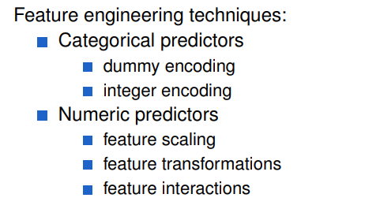
 | train_columns = train_encoded.columns
 | # Reindex test to match with train, filling missing columns with 0
 | test_encoded = test_encoded.reindex(columns=train_columns, fill_value=0)
 | NUMERICAL DATA: FEATURE SCALING
 | Not needed for linear/logistic regression, but scaling makes coefficients more interpretable Necessary for models with penalization term (ridge/lasso) Important (but not necessary) for models based on Euclidean distances (SVM, KNN) Critical when performing PCA Tree-based models scale-invarian

CATEGORICAL DATA: ENCODING
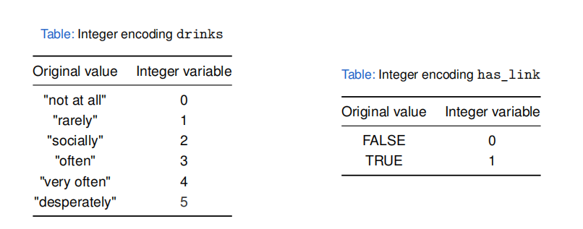


# Integer Encoding | from sklearn.preprocessing import MinMaxScaler, StandardScaler
df['Category_Encoded'] = df['Category'].astype('category').cat.codes | # 1. Normalization (Min-Max Scaling)
 | min_max_scaler = MinMaxScaler()
# Define the order of the categories | min_max_scaler.fit(df[["col1", "col2"]]) df[[“col1”,“col2”]] =min_max_scaler.transform(df[["col1", "col2"]])
category_order = {'High School': 1, 'Bachelor': 2, 'Master': 3, 'PhD': 4}
 | # 2. Standardization (Standard Scaling)
df['EducationLevel_Encoded'] = df['EducationLevel'].map(category_order) | standard_scaler = StandardScaler()
 | standard_scaler.fit(df[["col1", "col2"]]) df[[“col1”,“col2”]] =standard_scaler.transform(df[["col1", "col2"]])
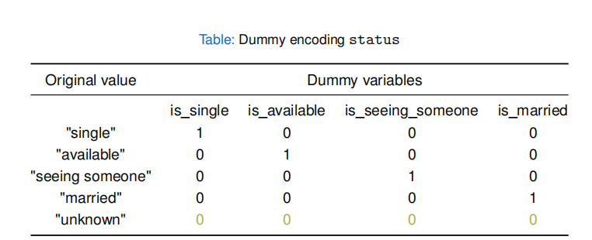

Basic Data Preprocessing

5
curse of dimensionality(overfitting) | 2,2: Lasso (ell 1)
As the number of dimensions (or features) increases, overfitting can occur. We discussed three methods to deal with this problem: subset selection, shrinkage, and dimension reduction. | try to minimize:

 | As with ridge regression, the lasso shrinks the coefcient estimates towards zero. However, in the case of the lasso can forcing some of the coefcient estimates to be exactly equal to zero when the tuning parameter λ is sufciently large. Hence, much like best subset selection, the lasso performs variable selection.
To compare models with different numbers of predictors, we can use adjusted R² or criteria like AIC and BIC. These metrics penalize models with more parameters, thus discouraging overfitting. Lower values of AIC and BIC indicate a better model.

 | from sklearn.linear_model import Lasso
1.Subset Selection | #alpha is Regularization strength
we consider methods for selecting subsets of predictors.(best subset and stepwise model selection procedures) | lasso_reg = Lasso(alpha=1.0)
 | lasso_reg .fit(X_train, y_train)
1,1: Best Subset Selection | # Make predictions
we ft a separate least squares regression best subset selection for each possible combination of the p predictors.(2^p) | y_pred = lasso_reg.predict(X_test)
 | # Evaluate the model (R² score)
1,2: Forward Stepwise Selection | lasso_reg .score(X_train, y_train)
Starts with an empty model (no predictors) and iteratively adds the predictor that improves the model the most.

1,3: Backward Stepwise Selection
Starts with a model that includes all predictors and iteratively removes the least important predictor at each step.

2. Shrinkage Methods
shrinks the coefcient estimates towards zero.thatshrinking the coefcient estimates can signifcantly reduce their variance.

2,1: Ridge (ell 2)
try to minimize:

λ≥0 is a tuning parameter, the second term, known as the shrinkage penalty, penalizes the size of the coefficients. This shrinkage penalty is small when the coefficients are close to zero, which helps to prevent overfitting.

from sklearn.linear_model import Ridge
#alpha is Regularization strength
ridge_reg = Ridge(alpha=1.0)
ridge_reg .fit(X_train, y_train)
# Make predictions
y_pred = ridge_reg.predict(X_test)
# Evaluate the model (R² score)
ridge_reg .score(X_train, y_train)

nlp
NLP

1
Regex |  |  |  | Preprocessing
* | + | ? | {n,m} | A:Removing Punctuation and Special Characters Remove punctuation marks (e.g., ".", ",", "!") and special characters (e.g., "@", "#", "$") that do not contribute to the meaning of the text for many NLP tasks. B:Tokenization breaking down a piece of text into smaller units called tokens,There are two main types of tokenization, Sentence Tokenization (or sentence segmentation) and Word Tokenization (or lexical analysis) C:Removing Stop Words Description: Stop words are common words like "the", "is", "in", "and" that do not carry significant meaning. They are often removed to reduce the noise in the text. D:Stemming and Lemmatization Stemming: Reduces words to their root by chopping off prefixes or suffixes.(Example: "Caring" → "Car") Lemmatization: Converts words to their dictionary form, considering grammar and meaning.(Example: "Caring" → "Care")
at least 0 times | at least 1 times | at most 1 times | between n and m times
abc* "ab" followed by 0 or more "c" | abc+ "ab" followed by 1 or more "c" | abc? "ab" followed by 0 or 1 "c" | abc{3,} "ab" followed by at least 3 "c"

^ | $ | \w | \s
start with | end with | word characters | space
^www start with www | $be end with be | ab\\w match abd | ab\\sc match ab c but not abc

NLP tasks
Named Entity Recognition (NER): Description: Identifying and classifying proper nouns into predefined categories like names of people, organizations, locations, dates. Use Case: Information retrieval, question answering, content classification.

Text Classification: Description: Categorizing text into predefined classes or categories. Use Case:Spam detection, topic labeling, sentiment categorization. |  |  |  | Tokenization(spacy)
 |  |  |  | import spacy nlp = spacy.blank("en") doc = nlp("Dr. Strange loves pav bhaji of mumbai as it costs only 2$ per plate.") for token in doc: print(token)

Text Similarity: Description:how similar two pieces of text are to each other. Use Case:Search Engines, Recommendation Systems, job matching.

Information Extraction: Description:Automatically extracting structured information from unstructured text. Use Case:Extract patient information from doctors’ notes, extract candidate information from resumes. |  |  |  | Creating blank language object gives a tokenizer and an empty pipeline

Question Answering: Description:Building systems that can answer questions posed in natural language Use Case:Virtual assistants, customer support bots, educational tools.
 |  |  |  | Token attributes
 |  |  |  | doc = nlp("Tony gave two $ to Peter.") token0 = doc[0] #Tony token0.is_alpha # True token0.like_num # False dir(token0) # see other attribute

Machine Translation: Description:Automatically translating text from one language to another. Use Case:Language translation services like Google Translate, multilingual communication tools.

 |  |  |  | Customizing tokenizer
 |  |  |  | from spacy.symbols import ORTH nlp = spacy.blank("en") doc = nlp("gimme double cheese extra large healthy pizza") tokens = [token.text for token in doc] tokens # ['gimme', 'large', 'pizza'] nlp.tokenizer.add_special_case("gimme", [{ORTH: "gim"}, {ORTH: "me"},]) doc = nlp("gimme double cheese extra large healthy pizza") tokens = [token.text for token in doc] tokens #['gim', 'me', 'large', 'pizza']
Language Modeling: Description:Predicting the next word in a sequence or assessing the probability of a given sequence of words.. Use Case:Autocomplete features, speech recognition, text generation.

Text Summarization: Description:reating a concise and coherent summary of a longer text document. Use Case:document summarization for quick information retrieval.
 |  |  |  | Sentence Segmentation
 |  |  |  | for sent in doc.sents: #if error add nlp.add_pipe('sentencizer') print(sent.text)

NLP

2
Stemming in NLTK |  |  |  | NER in Spacy
from nltk.stem import PorterStemmer stemmer = PorterStemmer() words = ["eating", "eats", "eat", "ate", "adjustable", "ability"] for word in words: print(word, "|", stemmer.stem(word))#eating | eat eats | eat / eat | eat / ate | ate / adjustable | adjust / ability | abil use simple rules |  |  |  | doc = nlp("Tesla Inc is going to acquire twitter for $45 billion") for ent in doc.ents: print(ent.text, " | ", ent.label_, " | ", spacy.explain(ent.label_)) #Tesla Inc | ORG | Companies, agencies, institutions, etc. #$45 billion | MONEY | Monetary values, including unit

 |  |  |  | for looking out put better
 |  |  |  | from spacy import displacy displacy.render(doc, style="ent")
Lemmatization in Spacy
nlp = spacy.load("en_core_web_sm") doc = nlp("Mando talked for 3 hours although talking isn't his thing") for token in doc: print(token, " | ", token.lemma_) # eating | eat / eats | eat / eat | eat / ate | eat /adjustable | adjustable / ability | ability

 |  |  |  | Setting custom entities
 |  |  |  | from spacy.tokens import Span s1 = Span(doc, 0, 1, label="ORG") s2 = Span(doc, 5, 6, label="ORG") doc.set_ents([s1, s2], default="unmodified")

Customizing lemmatizer
ar = nlp.get_pipe('attribute_ruler') ar.add([[{"TEXT":"Bro"}],[{"TEXT":"Brah"}]],{"LEMMA":"Brother"}) |  |  |  | Text Representation
 |  |  |  | Text representation is a fundamental concept in (NLP) that involves converting textual data into a format that machine learning models can understand.
Part Of Speach in Spacy
POS tagging involves assigning grammatical categories to each token (word) in a text.like: VERB (Verb): Describes an action, state, or occurrence. Examples: "run", "is", "jumping" ADJ (Adjective): Describes or modifies a noun. Examples: "beautiful", "large", "red" ADV (Adverb): Modifies verbs, adjectives, or other adverbs, often indicating manner, place, time, or degree. Examples: "quickly", "very", "well" AUX (Auxiliary Verb): Helps the main verb to express tense, aspect, mood, or voice. Examples: "is", "have", "will" NOUN (Noun): Names a person, place, thing, or idea. Examples: "dog", "city", "happiness" PRON (Pronoun): Replaces a noun or noun phrase. Examples: "he", "they", "which" PROPN (Proper Noun): Specific names of people, places, organizations, etc. Examples: "London", "Alice", "Microsoft"
 |  |  |  | Traditional Text Representation Methods
 |  |  |  | 1,one hot encoding:Each word is assigned a unique binary vector where only one element is '1' (indicating the presence of that word).

 |  |  |  |  | I | LOVE | LEARNING
 |  |  |  | I | 1 | 0 | 0
 |  |  |  | LEARNING | 0 | 0 | 1
 |  |  |  | Disadvantages: 1.Storing large one-hot vectors requires significant memory. 2.most of their elements are zeros. 3.One-hot encoding treats each word as an independent entity without capturing any semantic or syntactic relationships between words. 4.relies on a fixed vocabulary

 |  |  |  | 2,Bag of Words (BoW):Compile a list of all unique words (vocabulary) from the entire corpus (collection of documents/texts). For each document, create a vector where each element represents the frequency of a corresponding word from the vocabulary in that document.

doc = nlp("He quits the job") print(doc[1].text, "|", doc[1].tag_, "|", spacy.explain(doc[1].tag_)) #quits | VBZ | verb, 3rd person singular present |  |  |  |  | I | LOVE | LEARNING
 |  |  |  | I love learning ,just learning | 1 | 1 | 2
 |  |  |  | I eat pizza | 1 | 0 | 0
count each POS |  |  |  | Bag of Words, aggregates the presence and count of words within a larger text unit.but, One-Hot Encoding ,represents single words (or tokens) independently without considering their frequency or context within a document.both have same problems.
count = doc.count_by(spacy.attrs.POS) for k,v in count.items(): print(doc.vocab[k].text, "|",v) # PROPN | 13 NOUN | 48 VERB | 23

NLP

3
from sklearn.pipeline import Pipeline from sklearn.feature_extraction.text import CountVectorizer clf = Pipeline([ ('vectorizer', CountVectorizer()), ('nb', MultinomialNB()) ]) clf.fit(X_train, y_train) y_pred = clf.predict(X_test) print(classification_report(y_test, y_pred)) |  |  |  | Word Embeddings Text Representation Methods
 |  |  |  | Word embeddings are dense, low-dimensional vector representations of words that capture semantic and syntactic relationships based on context. Unlike sparse representations like BoW and TF-IDF, embeddings encode words in continuous vector where similar words have similar vectors.

 |  |  |  | 1,Word2Vec:Word2Vec primarily consists of two model architectures: 1.1:Continuous Bag of Words (CBOW) 1.2:Skip-gram Both models use neural networks to learn word embeddings.

3,Bag of n-grams: is an extension of the Bag of Words (BoW) model, a fundamental technique in (NLP) for text representation. While BoW focuses on individual words, Bag of n-grams considers contiguous sequences of words (or tokens), capturing more contextual information from the text. This approach enhances the model's ability to understand phrases and local word dependencies. |  |  |  | In the following image, the word in the blue box is called the target word and the words in the white boxes are called context words in a window of size 5 .

 |  |  |  | CBOW: The model is fed by the context , and predicts the target word. The result of the hidden layer is the new representation of the word ( ℎ 1, …, ℎ𝑁 ). Skip Gram: The model is fed with the target word , and predicts words from the context. The result of the hidden layer is the new representation of the word ( ℎ 1, …, ℎ𝑁 ).
 | I LOVE | LOVE PIZZA | LOVE DOG
i love pizza | 1 | 1 | 0
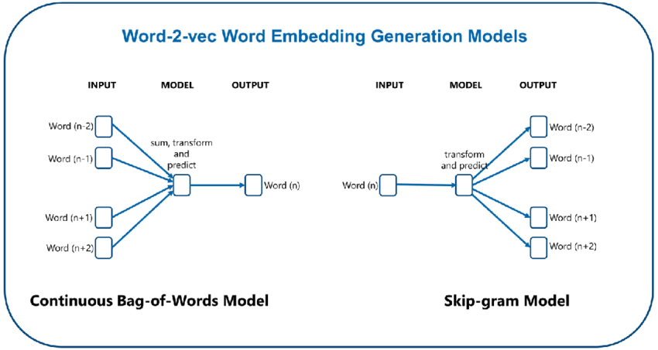
i love dog | 1 | 0 | 1
from sklearn.pipeline import Pipeline clf = Pipeline([ ('vectorizer_1_2_gram', CountVectorizer(ngram_range = (1, 2))), #using the one token and two tokens ('Multi NB', MultinomialNB()) ]) clf.fit(X_train, y_train) y_pred = clf.predict(X_test) print(classification_report(y_test, y_pred))

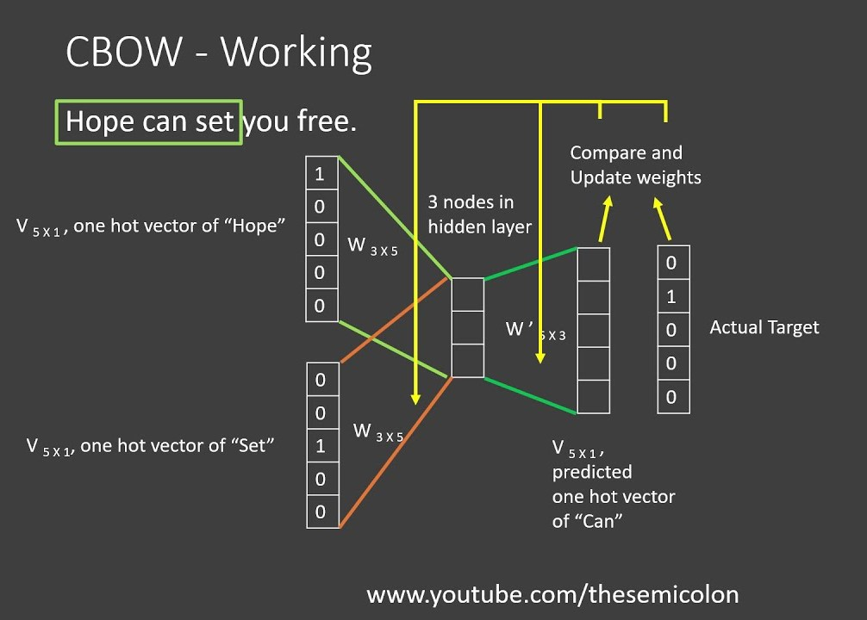
5,Term Frequency-Inverse Document Frequency (TF-IDF):Helps in identifying words that are most relevant to a particular document.Filters out common but less informative words (like stop words), ,focusing on words that carry more meaning,Assigns weights to words based on their importance. (TF) measures how frequently a term (word) appears in a document. (IDF) terms appearing in many documents are less discriminative and thus less important. combines both TF and IDF to assign a weight to each term in a document

 |  |  |  | import gensim review_text = df.reviewText.apply(gensim.utils.simple_preprocess) model = gensim.models.Word2Vec( window=10, min_count=2, workers=4, ) model.build_vocab(review_text) #Build Vocabulary model.train(review_text, total_examples=model.corpus_count, epochs=model.epochs) model.wv.most_similar("bad")#[('terrible', 0.6617082357406616), ('horrible', 0.6136840581893921),...] model.wv.similarity(w1="cheap", w2="inexpensive") #0.734
from sklearn.pipeline import Pipeline from sklearn.feature_extraction.text import TfidfVectorizer clf = Pipeline([ ('vectorizer_tfidf',TfidfVectorizer()), ('KNN', KNeighborsClassifier()) ]) clf.fit(X_train, y_train) y_pred = clf.predict(X_test) print(classification_report(y_test, y_pred))

NLP

4
Disadvantages: 1.global information not preserved (solve by Glove). |  |  |  | import fasttext model_en = fasttext.load_model('path.bin') model_en.get_nearest_neighbors('good') model_en.get_analogies("berlin","germany","france") #paris # Custom train word embeddings custom_model = fasttext.train_unsupervised("ourtxt.txt") custom_model.get_word_vector("dost") #https://fasttext.cc/docs/en/unsupervised-tutorial.html for details on parameters in train_unsupervised function.

2,GloVe: Creates Count Word Co-occurrences,looks at a large collection of text and counts how often each word appears next to other words. imagine a table where:Rows are words and Columns are words.Each cell shows how often the row word appears near the column word.This table helps GloVe understand the relationships between all pairs of words.

 |  |  |  | Transformer based Text Representation Methods
 |  |  |  | A transformer is a type of neural network used to understand language. It helps AI models like ChatGPT read, process, and generate text. The transformer looks at the relationships between words in a sentence and learns from them to predict what comes next or understand the meaning of the text. Let’s say the input sentence is: **“The cat is fluffy.”** The input to the transformer is a sequence of tokens like : "The", "cat", "is", "fluffy". The model first converts each word into numbers (vectors) that represent the meaning of the word. These are called **embeddings**. The embeddings are like coordinates in space that represent words. The attention mechanism helps the model figure out which words are important in relation to each other. When the model processes the word **"cat"**, attention looks at the other words in the sentence. The model asks, "What other words should I focus on to understand **cat** better?" It might decide that the word **"fluffy"** is very important because "fluffy" describes the "cat." After attention, the model outputs updated embeddings for each word. For example, the final understanding of "cat" would include the information that it describes a "fluffy."

import gensim.downloader as api # Load the pre-trained GloVe model on wiki-gigaword-100 model = api.load("glove-wiki-gigaword-100") # Find the vector for a word vector_king = model['king'] # Find similar words similar_to_king = model.most_similar('king') for word, similarity in similar_to_king: print(f"{word}: {similarity:.4f}") # queen: 0.7117 monarch: 0.6488

in spacy
import spacy nlp = spacy.load("en_core_web_lg") #This will take some time(nearly 15 minutes) df['vector'] = df['Text'].apply(lambda text: nlp(text).vector)

 |  |  |  | how attention works: A query is like asking a question. The query is a vector (a list of numbers) that represents what a word wants to find in other words. Imagine the word “cat” has a query like, “What word describe me?” The query is looking for the right word to connect with. A key is what each word offers as an answer to the query. It represents what kind of information the word contains that other words might need. The word “fluffy” has a key that says, “I am a adj.” The keys are vectors that help identify which words should be paid attention to based on how they relate to the queries. Once attention determines which words should be connected (based on queries and keys), the values are used to update the meaning of the words.change word embedding of cat.
2,FastText: It extends the popular Word2Vec model by incorporating subword information.Instead of representing each word as a single unit, FastText breaks words into smaller parts called n-grams (e.g., for the word "playing," with n=3, the n-grams are "pla," "lay," "ayi," "yin," "ing").it can handl Rare and OOV Words:By using subword information, FastText can generate vectors for words it hasn't seen during training by combining the vectors of their n-grams.Example: If "happiness" wasn't in the training data, FastText can still create its vector using the n-grams like "hap," "app," "ppi," "pin," "ine," "nes." plus it can generate meaningful vectors even for misspelled words based on their n-grams.

NLP

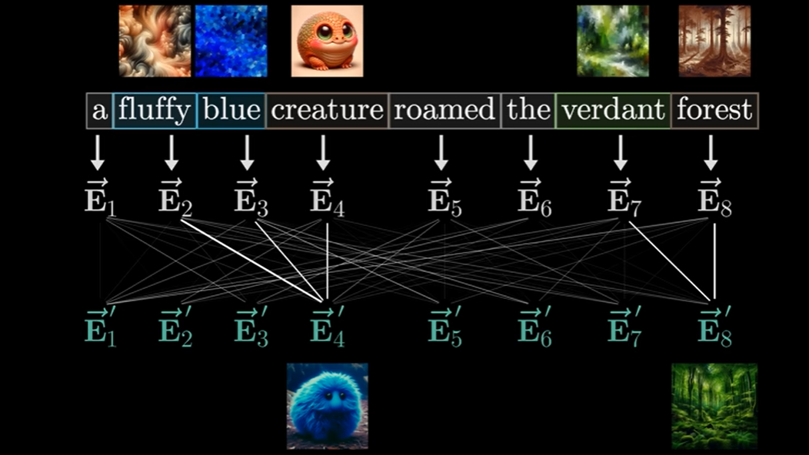
5
 |  |  |  | import fasttext model_en = fasttext.load_model('path.bin') model_en.get_nearest_neighbors('good') model_en.get_analogies("berlin","germany","france") #paris # Custom train word embeddings custom_model = fasttext.train_unsupervised("ourtxt.txt") custom_model.get_word_vector("dost") #https://fasttext.cc/docs/en/unsupervised-tutorial.html for details on parameters in train_unsupervised function.

 |  |  |  | Transformer based Text Representation Methods
 |  |  |  | A transformer is a type of neural network used to understand language. It helps AI models like ChatGPT read, process, and generate text. The transformer looks at the relationships between words in a sentence and learns from them to predict what comes next or understand the meaning of the text. Let’s say the input sentence is: **“The cat is fluffy.”** The input to the transformer is a sequence of tokens like : "The", "cat", "is", "fluffy". The model first converts each word into numbers (vectors) that represent the meaning of the word. These are called **embeddings**. The embeddings are like coordinates in space that represent words. The attention mechanism helps the model figure out which words are important in relation to each other. When the model processes the word **"cat"**, attention looks at the other words in the sentence. The model asks, "What other words should I focus on to understand **cat** better?" It might decide that the word **"fluffy"** is very important because "fluffy" describes the "cat." After attention, the model outputs updated embeddings for each word. For example, the final understanding of "cat" would include the information that it describes a "fluffy."

import gensim.downloader as api # Load the pre-trained GloVe model on wiki-gigaword-100 model = api.load("glove-wiki-gigaword-100") # Find the vector for a word vector_king = model['king'] # Find similar words similar_to_king = model.most_similar('king') for word, similarity in similar_to_king: print(f"{word}: {similarity:.4f}") # queen: 0.7117 monarch: 0.6488

in spacy
import spacy nlp = spacy.load("en_core_web_lg") #This will take some time(nearly 15 minutes) df['vector'] = df['Text'].apply(lambda text: nlp(text).vector)

 |  |  |  | how attention works: A query is like asking a question. The query is a vector (a list of numbers) that represents what a word wants to find in other words. Imagine the word “cat” has a query like, “What word describe me?” The query is looking for the right word to connect with. A key is what each word offers as an answer to the query. It represents what kind of information the word contains that other words might need. The word “fluffy” has a key that says, “I am a adj.” The keys are vectors that help identify which words should be paid attention to based on how they relate to the queries. Once attention determines which words should be connected (based on queries and keys), the values are used to update the meaning of the words.change word embedding of cat.
2,FastText: It extends the popular Word2Vec model by incorporating subword information.Instead of representing each word as a single unit, FastText breaks words into smaller parts called n-grams (e.g., for the word "playing," with n=3, the n-grams are "pla," "lay," "ayi," "yin," "ing").it can handl Rare and OOV Words:By using subword information, FastText can generate vectors for words it hasn't seen during training by combining the vectors of their n-grams.Example: If "happiness" wasn't in the training data, FastText can still create its vector using the n-grams like "hap," "app," "ppi," "pin," "ine," "nes." plus it can generate meaningful vectors even for misspelled words based on their n-grams.

PLOTTING
PLOTTING

1
import matplotlib.pyplot as plt import seaborn as sns | PIE CHARTS
 | plt.figure(figsize=(6, 6))
A plot can be created by: | plt.pie(sales, label=products, explode=[0, 0.1, 0, 0], shadow=True)
# line plot | plt.legend(title=“products”, loc=“upper right”)
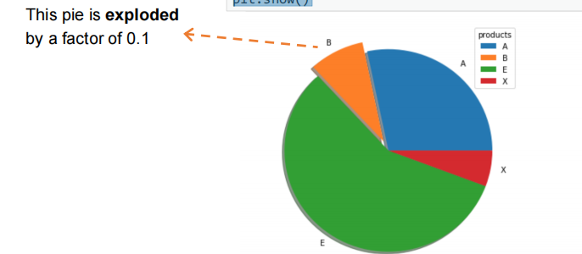
plt.plot(x,y) | plt.show()
plt.show()
The plot is shown by using plt.show()
methods that lets you customize your plot
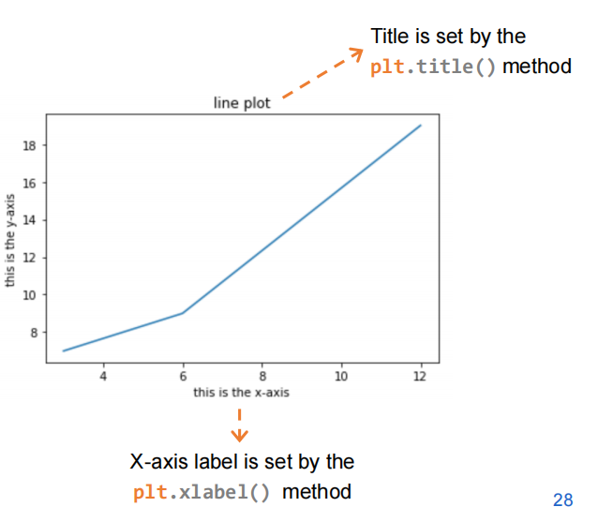
# gives a title to your plot
plt.title(title)
# gives a label to your X-axis | BAR PLOTS
plt.xlabel(label) | plt.bar(x, height) for vertical bar plot and plt.barh(y, width) for horizontal bar plot
# gives a label to your Y-axis
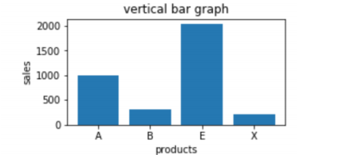
plt.ylabel(label) | plt.figure(figsize=(4, 2))
# adds a legend to your plot | plt.bar(range(4), sales)
plt.legend(loc) | plt.xticks(range(4), products)
styling of the plot itself | plt.xlabel(“products”)
plt.figure(figsize=(5, 3)) | plt.ylabel(“sales”)
plt.plot(data_x, data_y, “*”, color=“green” , markersize=10) | plt.title(“vertical bar graph”)
plt.show() | plt.show()
 | Stacking bar plots horizontally:
 | plt.bar(np.arange(4), sales, 0.3, label=“sales”) | #width of 0.3
 | plt.bar(np.arange(4)+0.3, profits, 0.3, label=“profits”)
 | plt.xticks(np.arange(4) + 0.3/2, products)
You can plot multiple plots in the same figure: | plt.legend(loc=“upper left”)
plt.figure(figsize=(4, 3)) | plt.xlabel(“product”)
plt.plot(data_x, data_y, color=“green”, label=“first_data”) | plt.show()
plt.plot(data_x_2, data_y_2, color=“red”, label=“second_data”)
plt.title(“two plots in same figure”) | Stacking bar plots vertically:
plt.legend(loc=“upper left”) | plt.bar(np.arange(4), sales, label=“sales”)
plt.show() | plt.bar(np.arange(4), profits, 0.3, label=“profits”, bottom=sales)
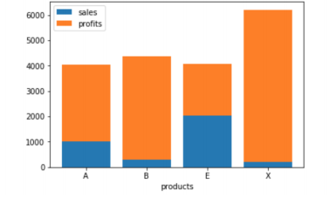

plot multiple plots in the same canvas: | Stacked bar plot to inspect the frequency counts of a categorical variable
if you want to create 6 plots in a 2x3 grid, then before creating each plot, you will need to call plt.subplot(2, 3, index), with index being the location of the curren | x: the categorical variable of which we want the frequency counts
 | hue: the different groups for which we want the frequency counts

PLOTTING

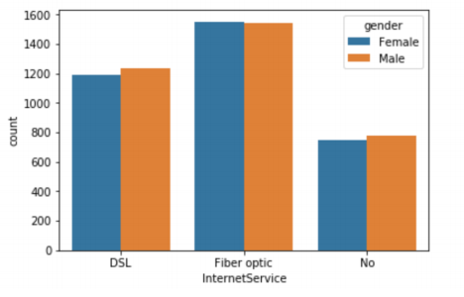
2
sns.countplot(x=df[“InternetService”], hue=df[“gender”]) | BOXPLOTS
plt.show() | sns.boxplot(x, y)
 | x: the grouping variable
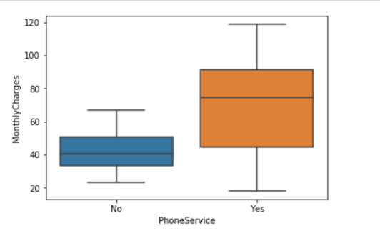
 | y: the variable of which we want to get the boxplots for each group
 | sns.boxplot(x=df[“PhoneService”], y=df[“MonthlyCharges”], hue=df[“PhoneService”])

HISTOGRAMS
plt.hist(random_data, bins=10)
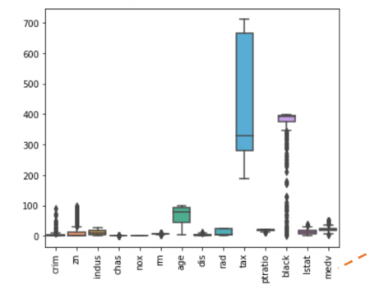
 | Boxplots of every numeric variable
 | sns.boxplot(data=df)
 | plt.figure(figsize=(6, 5))
 | sns.boxplot(data=df)
 | Plt.xticks(rotation=“vertical”)
# create histogram in seaborn with density plot | plt.show()
ax = sns.histplot(data=random_data, stat=“density”, kde=True) | HEATMAPS
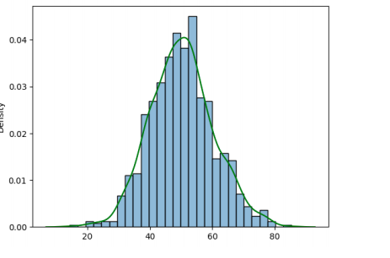
sns.kdeplot(data=random_data, color=“green”, ax=ax) | sns.heatmap(data)
plt.show() | data: 2D data such as a correlation matrix of multiple numeric variables
 | # create a heatmap
 | sns.heatmap(corr_matrix, linewidth=0.3, annot=True, cmap =“coolwarm”)
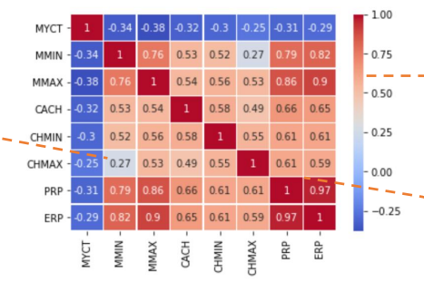
 | plt.show()

SCATTER PLOTS
sns.lmplot(x, y, data, fit_reg, hue)
data: DataFrame where the x and y variables are stored
fit_reg: adds a regression line
hue: separates the data in different groups
plt.scatter(x=“rm”, y=“medv”, data=df, fit_reg=True, hue=“chas”)

plt.xlabel(“rm”)
plt.ylabel(“medv”)
plt.show()

ML
Statistical Learning

1
Statistical learning: refers to a vast set of tools for understanding data. can be classified as supervised or unsupervised | 4,R-Squared (Coefficient of Determination): It explains the degree to which the input variables explain the variation of the output / predicted variable.can be misleading if the data has outliers or non-linearity.The limitation of R-squared is that it will either stay the same or increases with the addition of more variables, even if they do not have any relationship with the output variables.

Supervised learning: is a type of machine learning where the model is trained on labeled data. This means that the input data comes with a known output, and the model learns to map inputs to outputs based on this training data.

Unsupervised Learning: is a type of machine learning where the model is trained on data that does not have labeled responses. The system tries to learn the patterns and the structure from the data without any specific supervision. | from sklearn.metrics import r2_score R2 = r2_score(y_true, y_pred)

 | 5,Adjusted R-squared: Adjusted version of R-Squared that accounts for the number of predictors in the model.useful for model comparison.

Regression: A type of supervised learning where the model predicts a continuous output variable based on input features. For example, predicting house prices based on various attributes.

Classification: A type of supervised learning where the output variable is categorical.For example, classifying emails as spam or not spam based on their content. | adjusted_r2 = 1 - (1 - r2) * ((n - 1) / (n - p - 1))

 | n is number of observations in sample and p is number of independent variables in model
Performance Metrics
Regression | Classification
1,Mean Absolute Error (MAE) : The average of absolute differences between predicted and actual values. Can be misleading if large errors are present. | 1,Accuracy: The ratio of correctly predicted instances to the total instances.It lies between [0,1]. accuracy is not a useful metric in case of an imbalanced dataset (datasets with uneven distribution of classes). Say we have a data of 1000 patients out of which 50 are having cancer and 950 not, a dumb model which always predicts as no cancer will have the accuracy of 95%

from sklearn.metrics import mean_absolute_error MAE = mean_absolute_error(y_true, y_pred)
 | from sklearn.metrics import accuracy_score accuracy = accuracy_score(y_true, y_pred)
2,Mean Squared Error (MSE): The average of squared differences between predicted and actual values.more sensitive to outliers compared to (MAE).Not interpretable in the original units of the target variable.
 | 2,Precision: the ratio of true positivesto all instances predicted as positive. Precision is useful when we want to reduce the number of False Positives. Consider a system that predicts whether the e-mail received is spam or not. Taking spam as a positive class, we do not want our system to predict non-spam e-mails (important e-mails) as spam

from sklearn.metrics import mean_squared_error MSE = mean_squared_error(y_true, y_pred)

3,Root Mean Squared Error (RMSE): The square root of the average of squared differences between predicted and actual values.Same units as the target, sensitive to outliers. | from sklearn.metrics import precision_score precision = precision_score(y_true, y_pred)

 | 3,Recall (Sensitivity): The ratio of true positives to total number of actual positive instances. Recall is a useful metric in case of cancer detection, where we want to minimize the number of False negatives.

RMSE = np.sqrt(mean_squared_error(y_true, y_pred))

Statistical Learning

2
from sklearn.metrics import recall_score recall =recall_score(y_true, y_pred) | β0 and β1 are two unknown constants that represent the intercept and slope terms in the linear model known as the model coefficients.we use training data to estimates βˆ0 and βˆ1 for the model coefficients.Our goal is to estimate these coefficients so that the resulting line fits as closely as possible to the n data points. β0 is the intercept term that is, the expected value of Y when X = 0, and β1 is the slope, the average increase in Y associated with a one-unit increase in X. ei = yi −yˆi represents the ith residual.We define the residual sum of squares (RSS). The least squares approach chooses βˆ0 and βˆ1 to minimize the RSS.(minimize grey lines below)

4,Specificity: The ratio of true negatives to all negetive.We want the value of specificity to be high.Useful when true negatives are important.Can be irrelevant in imbalanced datasets.

5,F1-score: F1-score is a metric that combines both Precision and Recall and equals to the harmonic mean of precision and recall. Its value lies between [0,1] (more the value better the F1-score).Balances precision and recall, useful for imbalanced datasets.

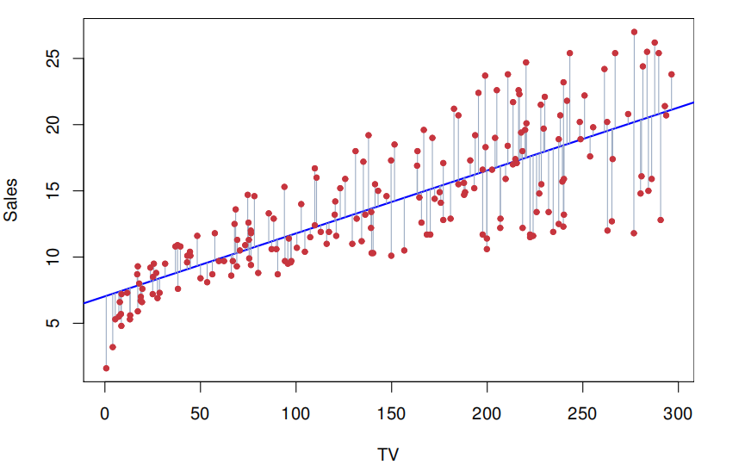

from sklearn.metrics import f1_score f1_score =f1_score(y_true, y_pred)

6,AUC (Area Under The Curve)- ROC: Y-axis (TPR): Shows how many observations were correctly classified as positive.X-axis (FPR): Shows how many observations were incorrectly classified as positive when they were actually negative. If the value is less than 0.5 than the model is even worse than a random guessing model.(not affected by decision threshold.)

 | if we estimate β0 and β1 on the basis of a particular data set, then our estimates won’t be exactly equal to β0 and β1. But if we could average the estimates obtained over a huge number of data sets, then the average of these estimates would be spot on! In fact, the average of many least squares lines, each estimated from a separate data set, is pretty close to the true population regression line. Standard Error of a Regression Coefficient: The standard error (SE) measures the variability of the estimated regression coefficient (like B^1) from sample to sample. A smaller SE indicates a more precise estimate of the coefficient. Hypothesis Testing: To determine if there is a significant relationship between the predictor 𝑋 and the response Y, we perform a hypothesis test: Null Hypothesis (H0): B1=0 (No relationship between X and Y) Alternative Hypothesis (Ha): B1≠0 (There is some relationship between X and Y) We estimate the coefficient B^1 and use its standard error to compute a t-statistic. (The degrees of freedom for a t-test in regression is usually n−k−1, where n is the number of observations and k is the number of predictors)

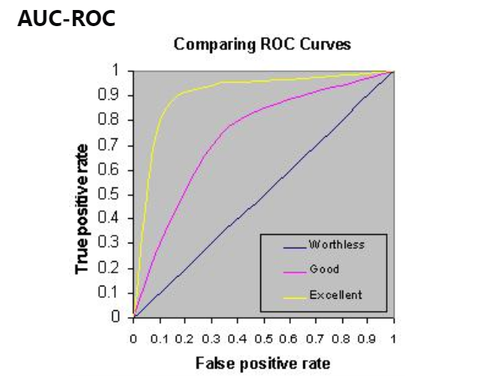

from sklearn.metrics import roc_auc_score auc_roc = roc_auc_score(y_true, y_prob) # y_prob is the predicted probabilities

supervised
Linear Regression(just regression problems) | p-Value: p-value is derived from this distribution.p-value tells us the probability of observing the data if the null hypothesis were true. If the p-value is below a certain threshold (commonly 0.05), we reject the null hypothesis and conclude that there is a significant relationship between 𝑋and Y.
predicting a quantitative response Y on the basis of predictor variable X. It assumes that there is approximately a linear relationship between X and Y. β0 and β1 are two unknown constants that represent the intercept and slope terms in the linear model known as the model coefficients

 | Confidence Interval: A 95% confidence interval provides a range within which the true value of β1 is likely to lie with 95% probability.

Statistical Learning

3
for more than one predictors, when there is no relationship between the response and predictors,we expect the F-statistic to take on a value close to 1. On the other hand, if Ha is true,we expect F to be greater than 1 | Moving Beyond Linearity
 | *Polynomial regression
 | extends the linear model by raising each of the original predictors to a power.
import statsmodels.api as sm model = sm.OLS(y, x) results = model.fit() print(results.summary())
 | from sklearn.preprocessing import PolynomialFeatures import statsmodels.api as sm # Step 1: Separate the features df_poly_part = df[['feature1', 'feature2', 'feature3']] # First 3 variables for polynomial transformation df_non_poly_part = df[['feature4', 'feature5']] # Remaining 2 variables to be kept as is # Step 2: Create polynomial features for the selected variables poly = PolynomialFeatures(degree=2, include_bias=False) df_poly_part_transformed = poly.fit_transform(df_poly_part) # Step 3: Combine the polynomial features with the untransformed features # Step 4: Fit the model with the combined features X_combined = sm.add_constant(df_combined) model = sm.OLS(y, X_combined) results = model.fit()

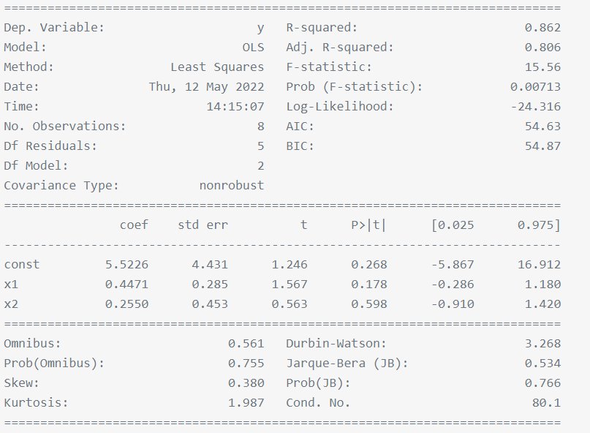

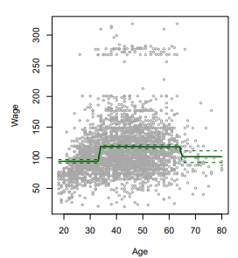
 | *Step Functions
 | divides the range of a variable into distinct intervals, assigning a constant value to each interval
for regression we can use "from sklearn.linear_model import LinearRegressio" but in my mind the result of sm is better

Logistic Regression(just classification problems)
is a statistical method used for binary classification tasks, where the outcome is one of two possible classes.logistic regression, models the probability that Y belongs to a particular category.

 | *Smoothing splines
 | divide the data into segments and fit a smooth curve through the data points in each segment while ensuring the curve is smooth across the segments.(penalize roughness)

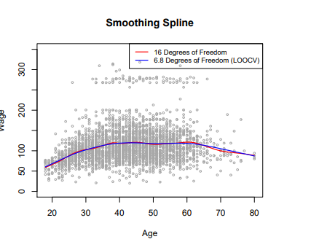

from sklearn.linear_model import LogisticRegression lr_model = LogisticRegression() lr_model.fit(df[[“MonthlyCharges”]], df[“Churn”]) # get estimated probabilities of churn being zero and one churn_est = lr_model.predict_proba(df[[“MonthlyCharges”]])

 | *Local Regression
 | fits a regression model locally to each point by considering only nearby points

Statistical Learning

4
Generalized Additive Models | Tree-Based Methods
extending a standard linear model by allowing non-linear functions of each of the variables. | Regression Trees
 | splits data at each step based on the feature that most significantly reduces the residual sum of squares (RSS) or Gini index compared to other features, creating branches that lead to a final decision. This process continues until the model reaches a conclusion at the leaf nodes, where the final predictions are made.

 | Tree pruning is a technique used in decision trees to reduce their size and complexity by removing branches that provide little predictive power. This helps prevent overfitting.

 | Here |T| indicates the number of terminal nodes
 | from sklearn.tree import DecisionTreeRegressor regressor = DecisionTreeRegressor(random_state=42) regressor.fit(X_train, y_train)

 | Bagging
 | Bagging is an ensemble technique that improves model stability and accuracy by training multiple models on different bootstrap samples of the data and combining their predictions.(majority vote)

 | Random Forests
 | method that builds many decision trees using random subsets of data and features, and combines their predictions to improve accuracy. It’s similar to bagging but focuses on using different predictors at each split in the trees.

 | from sklearn.ensemble import RandomForestClassifier rf = RandomForestClassifier(max_features=p) rf.fit(X_train, y_train)

 | if P is set to the total number of features, it is bagging, Typically, P is set to the square root of the total number of features

 | Gradient Boosting
 | multiple models are trained sequentially,new model focusing on the errors made by the previous ones.(you will optimize the loss function based on the gradient) The final prediction combines the outputs of all the models to give accurate result.

 | from sklearn.ensemble import GradientBoostingRegressor boosting = GradientBoostingRegressor (learning_rate=0.1) boosting.fit(X_train, y_train)

 | XGBOOST
 | Instead of only using first order derivates of the loss function, it also uses second order derivatives each the optimum faster.

 | import xgboost as xgb xgb_model = xgb.XGBRegressor(learning_rate=0.09) xgb_model.fit(X, y)

Statistical Learning

5
CATBOOST | SVM
uses ordered TS to transform categorical features.Perform a random permutation of the data and compute the average label value for the example with the same category value placed before the given one in the permutation. | Hyperplane:In SVM, a hyperplane is a decision boundary that separates different classes in the feature space. The goal of SVM is to find the hyperplane that best separates the classes. Support vectors: the data points that are closest to the hyperplane. These points are critical because they determine the position and orientation of the hyperplane. Margin: is the distance between the hyperplane and the nearest support vectors from either class. SVM aims to maximize this margin SVM finds the hyperplane that maximizes the margin between the classes. we have hyperparameter C. C is a budget for the amount that the margin can be violated by the n observations.if budget C increases, we become more tolerant of violations to the margin

import catboost as cb categorical_features = [0, 2] # Example indices for categorical columns catboost_model = cb.CatBoostRegressor(iterations=100, learning_rate=0.1, cat_features=categorical_features) catboost_model.fit(X_train, y_train)

LIGHTGBM
To reduce the training size and feature size without losing accuracy, LightGBM proposed : ̶GOSS keeps all the instances with large gradients and performs random sampling on the instances with small gradients. ̶EFB bundles mutually exclusive features (i.e., they rarely take nonzero values simultaneously) into one feature. | Linear Kernel
 | Definition: The linear kernel is the simplest kernel function. It represents the dot product of two vectors in the original feature space. Usage: Ideal for linearly separable data where a straight line (or hyperplane) can separate the classes.

 | from sklearn.svm import SVR linear_model = SVR(kernel='linear', C=1.0)
import lightgbm as lgb categorical_features = [0, 2] # Example indices for categorical columns train_data = lgb.Dataset(X_train, label=y_train, categorical_feature=categorical_features) # Training the model lgb = lgb.train(params, train_data, num_boost_round=100))
 | polynomial Kernel
 | Definition: The polynomial kernel is a non-linear kernel function that represents the similarity of vectors in a feature space over polynomials of the original variables. Usage: Effective for data that is not linearly separable. The degree of the polynomial determines the complexity of the decision boundary.

 | poly_model = SVR(kernel='poly', degree=3, C=1.0) poly_model.fit(X_train, y_train)

 | polynomial Kernel
 | Definition: The polynomial kernel is a non-linear kernel function that represents the similarity of vectors in a feature space over polynomials of the original variables. Usage: Effective for data that is not linearly separable. The degree of the polynomial determines the complexity of the decision boundary.

 | poly_model = SVR(kernel='poly', degree=3, C=1.0) poly_model.fit(X_train, y_train)

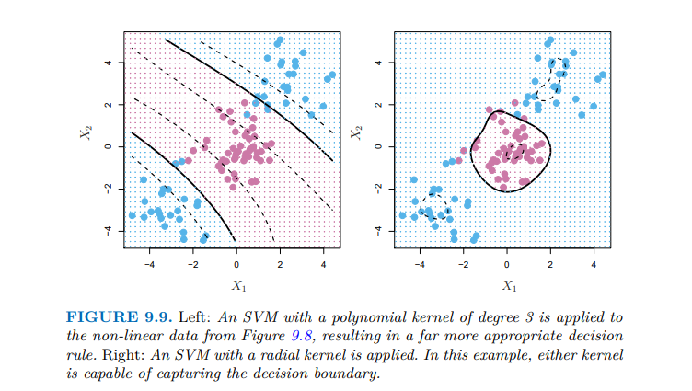

Statistical Learning

6
Hyperparameter tuning
the process of finding the best set of hyperparameters for a machine learning model

GridSearchCV
It creates a grid of all possible combinations of hyperparameters. Then, it trains and evaluates the model on each combination using cross-validation.

from sklearn.model_selection import GridSearchCV # Define the model model = RandomForestClassifier() # Define the parameter grid param = { 'n_estimators': [10, 50, 100], 'max_depth': [None, 10, 20], 'min_samples_split': [2, 5, 10] } # Setup GridSearchCV grid_search = GridSearchCV(estimator=model, param_grid=param, cv=5, scoring='accuracy') # Fit GridSearchCV grid_search.fit(X_train, y_train)

Best parameters and score
grid_search.best_params_ grid_search.best_score_

RandomizedSearchCV
Instead of searching all possible combinations like Grid Search, it randomly picks a set number of combinations to try.

from sklearn.model_selection import RandomizedSearchCV # Setup RandomizedSearchCV random_search = RandomizedSearchCV(estimator=model, param_distributions=param, n_iter=10, cv=5, scoring='accuracy', random_state=42)

n_iter parameter specifies the number of different hyperparameter combinations to try during the search

